Reserves
Year | 2025 | 2026 | 2027 | 2028 | 2029 | 2030 | 2031 | 2032 | 2033 | 2034 | 2035 | 2036 | 2037 | 2038 | 2039 | 2040 | 2041 | 2042 | 2043 | 2044 | 2045 | 2046 | 2047 | 2048 | 2049 | 2050 | 2051 | 2052 | 2053 | 2054 | 2055 | 2056
RESERVES (Cash Surplus Yr-End) | $528,489 | $268,776 | $228,406 | $350,310 | $527,870 | $686,203 | $951,900 | $1,077,904 | $1,309,220 | $1,522,556 | $1,163,889 | $927,246 | $762,843 | $1,022,810 | $1,069,808 | $1,253,986 | $1,061,499 | $998,876 | $923,439 | $1,172,284 | $1,202,002 | $1,356,622 | $1,483,107 | $1,627,168 | $1,775,619 | $1,624,556 | $1,259,183 | $1,033,402 | $1,275,812 | $1,485,400 | $1,661,161 | $1,884,857
Minimum Year-End Reserve Start 2030 |  | $450,000 | $465,445 | $481,420 | $497,943 | $515,033 | $532,710 | $550,994 | $569,905 | $589,465 | $609,697 | $630,623 | $652,267 | $674,654 | $697,809 | $721,759 | $746,531 | $772,154 | $798,655 | $826,067 | $854,419 | $883,744 | $914,076 | $945,448 | $977,898 | $1,011,461 | $1,046,176 | $1,082,083 | $1,119,222 | $1,157,636 | $1,197,368 | $1,238,464
Monthly Cash-In / Unit | $800 | $425 | $425 | $475 | $425 | $425 | $500 | $500 | $500 | $500 | $500 | $575 | $575 | $575 | $575 | $675 | $675 | $675 | $675 | $650 | $650 | $650 | $650 | $650 | $700 | $700 | $700 | $800 | $800 | $800 | $800 | $850
 | THIS CASH PROJECTION REPRESENTS THE BEST ESTIMATE OF THE FINANCIAL OUTLOOK. THE RIDGE PARK BOARD MAY CHANGE IT AT ANYTIME.
Inflation Rate Sources: Federal Reserve Bank of St. Louis Producer Price Index by Industry for Building Maintenance, New Construction, and General Inflation.
Ridge Park Property Data Sources: square footages, linear feet, and other dimensions measured and estimated from Ridge Park blue prints.
Financial Data Sources: Bank Statements, Financial Statements from Accoutant, Ridge Park Annual Budget, Max Property Insurance Deductible, and cost estimates from Budget and Maintenance Committees.
Assumptions: All Projects in each Annual Budget are completed. Current Inflation Rates are used for all future years.

 |  | CLICK CHART AND HOVER CURSOR OVER BAR TO DISPLAY RESERVE BALANCE

RESERVES ( Projected Cash Balances on December 31st of Each Year)

FOR DETAILS ON HOW THIS CHART WAS BUILT CLICK THIS LINK AND REQUEST ACCESS |  |  |  |  |  | Ridge Park Budget Projection

STANDARD FORMULA FOR FUTURE VALUES:

FV = PV x (1 + r)^n
PV = Present Value
r = Interest or Inflation Rate (Annual %)
n = Number of Compounding Periods (Years)

Cost Data
Estimated & Actual Dimensions and Areas |  |  |  |  |  |  |  |  |  |  |  |  |  |  |  |  | 0.12
Use these Estimates to check Contractor Estimates for reasonable costs.
Bldg # | Design Type (I-VII) | Siding & Paintable Wood Area Square Ft | Stucco Area Square Ft | Building Stories | Chimney Chases | Chimney Chase Cover Dimensions | Chimney Chase Flashing Linear Feet | Roof Area Square Ft | Building Footprint Square Ft | Gutter Linear Ft 2nd Story | Gutter Linear Ft 3rd Story | Gutter/Fascia/Flashing Linear Ft TOTAL | Headwall Horizontal Flashing LF | Sidewall Sloped Flashing LF | Asphalt Area Location | Asphalt Area Square Feet | Asphalt Cracks Linear Feet | Parking Spaces | Handicap Parking Spaces | Parking Stripe Linear Feet 18 ft ea | Flat Garage Roof per Building | Garage Roof Area SF | Total Garage Roof Area SF | Garage Parapet Linear Feet Per Pair | Retaining Wall Length | Retaining Wall Height | Stairways | Water Supply Valves | Electrical Breaker Boxes | Sewer Clean-outs | Gas Valves | Cantilevered Balconies
1 | III | 11539 |  | 3 | 4 | 5"10" x 4'4" | 81 | 6906 | 6491 | 0 | 184 | 184 | 0 | 222 | N & W of Bldg 1 | 17648 | 2118 | 49 | 1 | 900 |  |  |  |  |  |  | 4 | 1 | 1 | 2 | 1
2 | III | 7029 | 4510 | 3 | 4 | 5"10" x 4'4" | 81 | 6906 | 6491 | 0 | 184 | 184 | 0 | 222 | NE of Bldg 2 | 9306 | 1117 | 30 |  | 540 |  |  |  |  |  |  | 4 | 2 | 1 | 1 | 1
3 | II | 11213 |  | 3 | 8 | 5"10" x 4'4" | 162 | 12788 | 12021 | 156 | 144 | 300 | 0 | 444 | NW of Bldg 3 | 6489 | 779 | 24 | 2 | 468 |  |  |  |  |  |  | 8 | 4 | 1 | 2 | 1
4 | I | 7029 | 8000 | 3 | 8 | 5"10" x 4'4" | 162 | 16403 | 15418 | 208 | 188 | 396 | 0 | 554 | W of Bldg 4 | 13152 | 1578 | 25 | 2 | 486 |  |  |  |  |  |  | 8 | 2 | 1 | 1 | 1
5 | IV | 14409 |  | 3 | 8 | 5"10" x 4'4" | 162 | 12669 | 11909 | 300 | 284 | 584 | 267 | 686 | E of Bldg 5 | 4268 | 512 | 4 | 1 | 90 |  |  |  |  |  |  | 8 | 4 | 1 | 1 | 2
6 | V | 11948 |  | 3 | 4 | 5"10" x 4'4" | 81 | 7993 | 7514 | 184 | 104 | 288 | 108 | 256 |  |  | 0 |  |  | 0 |  |  |  |  |  |  | 4 | 2 | 1 | 1 | 1
7 | V | 11948 |  | 3 | 4 | 5"10" x 4'4" | 81 | 7993 | 7514 | 184 | 104 | 288 | 108 | 256 | E of Bldg 7 | 9263 | 1112 | 29 | 3 | 576 |  |  |  |  |  |  | 4 | 2 | 1 | 1 | 2
8 | IV | 14409 |  | 3 | 8 | 5"10" x 4'4" | 162 | 12669 | 11909 | 300 | 284 | 584 | 267 | 686 | N of Bldg 8 | 9570 | 1148 | 15 | 1 | 288 |  |  |  |  |  |  | 8 | 2 | 1 | 2 | 1
9 | VII | 7886 |  | 2 | 6 | 5'4" x 2'4" | 122 | 7573 | 7118 | 174 | 96 | 270 | 144 | 210 | N of Bldgs 9 & 10 | 11040 | 1325 | 18 | 1 | 342 | 6 | 380 | 2280 | 300 |  |  |  | 2 | 6 | 2 | 1 | 6
10 | VI | 11799 |  | 3 | 4 | 5'4" x 2'4" | 81 | 5199 | 4887 | 106 | 64 | 170 | 119 | 142 |  |  | 0 |  |  | 0 | 4 | 380 | 1520 | 200 |  |  |  | 2 | 4 | 3 | 1 | 4
11 | VII | 7886 |  | 2 | 6 | 5'4" x 2'4" | 122 | 7573 | 7118 | 174 | 96 | 270 | 144 | 210 | E of Bldgs 11 & 12 | 12480 | 1498 | 23 | 1 | 432 | 6 | 380 | 2280 | 300 |  |  |  | 2 | 6 | 3 | 1 | 6
12 | VI | 11799 |  | 3 | 4 | 5'4" x 2'4" | 81 | 6382 | 5999 | 106 | 64 | 170 | 119 | 142 |  |  | 0 |  |  | 0 | 4 | 380 | 1520 | 200 |  |  |  | 2 | 4 | 2 | 1 | 4
13 | VI | 11799 |  | 3 | 6 | 5'4" x 2'4" | 122 | 6409 | 6024 | 106 | 64 | 170 | 119 | 142 | E of Bldg 13 | 4230 | 508 | 0 | 0 | 0 | 6 | 380 | 2280 | 300 |  |  |  | 2 | 6 | 3 | 1 | 6
505 | Rec | 4580 |  | 2 | 2 | 4' x 12' | 41 | 5022 | 4721 | 178 | 0 | 178 | 80 | 88 | SW of Bldg 505 | 7480 | 898 | 12 | 1 | 234 |  |  |  |  |  |  |  | 2 | 1 | 2 | 1
 |  | 145273 | 12510 |  | 76 |  | 1540 | 122484 | 115135 | 2176 | 1860 | 4036 | 1475 | 4260 |  | 104926 | 12593 | 229 | 13 | 4356 | 26 |  | 9880 | 1300 |  |  | 48 | 31 | 35 | 26 | 16 | 26

Retaining Wall, RR Ties |  |  |  |  |  |  |  | Measure |  | N of Bldg 1 Parking
Retaining Wall, Concrete Block |  |  |  |  |  |  |  |  |  | NW of Bldg 2 Parking
Retaining Wall, Concrete Block |  |  |  |  |  |  |  |  |  | N of Bldg 8 Parking
Retaining Wall, Concrete Block |  |  |  |  |  |  |  |  |  | W of Bldg 13
Retaining Wall, Concrete Block |  |  |  |  |  |  |  |  |  | W of Bldg 12
Retaining Wall, Concrete Block |  |  |  |  |  |  |  |  |  | W of Bldg 11
Retaining Wall, Concrete Block |  |  |  |  |  |  |  |  |  | S of Bldg 10
Retaining Wall, Concrete Block |  |  |  |  |  |  |  |  |  | S of Bldg 10
Retaining Wall, RR Ties |  |  |  |  |  |  |  |  |  | SE of Bldg 5

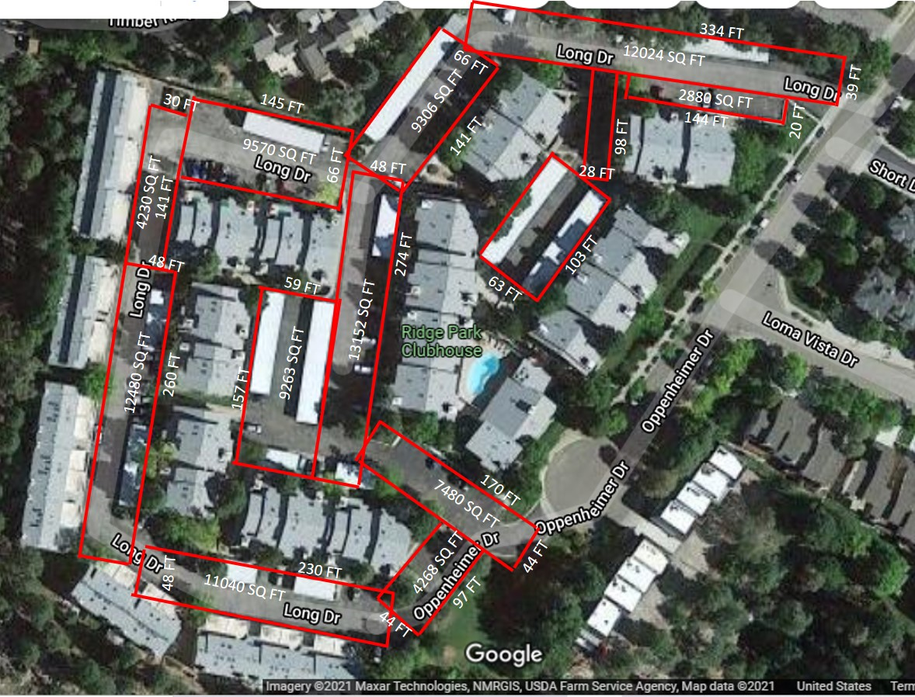
 |  |  |  |  |  |  |  |  |  | Asphalt Areas SF |  |  |  |  | Park Spaces | Handicap
 |  |  |  |  |  |  |  |  |  | 17648 | N & W of Bldg 1 |  |  |  | 49 | 1
 |  |  |  |  |  |  |  |  |  | 9306 | NE of Bdlg 2 |  |  |  | 30
 |  |  |  |  |  |  |  |  |  | 6489 | NW of Bldg 3 |  |  |  | 24 | 2
 |  |  |  |  |  |  |  |  |  | 13152 | W of Bldg 4 |  |  |  | 25 | 2
 |  |  |  |  |  |  |  |  |  | 4268 | E of Bldg 5 |  |  |  | 4 | 1

 |  |  |  |  |  |  |  |  |  | 9263 | E of Bldg 7 |  |  |  | 29 | 3
 |  |  |  |  |  |  |  |  |  | 9570 | N of Bldg 8 |  |  |  | 15 | 1
 |  |  |  |  |  |  |  |  |  | 11040 | N of Bldgs 9 & 10 |  |  |  | 18 | 1

 |  |  |  |  |  |  |  |  |  | 12480 | E of Bldgs 11 & 12 |  |  |  | 23 | 1

 |  |  |  |  |  |  |  |  |  | 4230 | E of Bldg 13 |  |  |  | 0 | 0
 |  |  |  |  |  |  |  |  |  | 7480 | SW of Bldg 505 |  |  |  | 12 | 1
 |  |  |  |  |  |  |  |  |  | 99302 | Total |  |  |  | 229 | 13

